Results
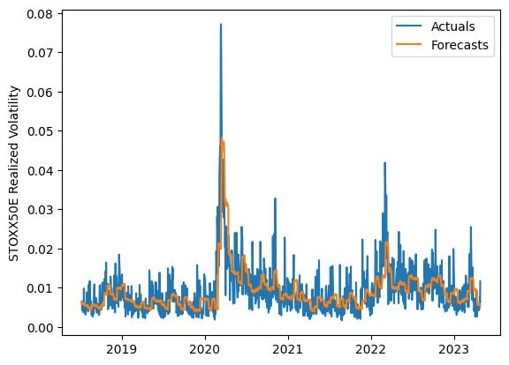
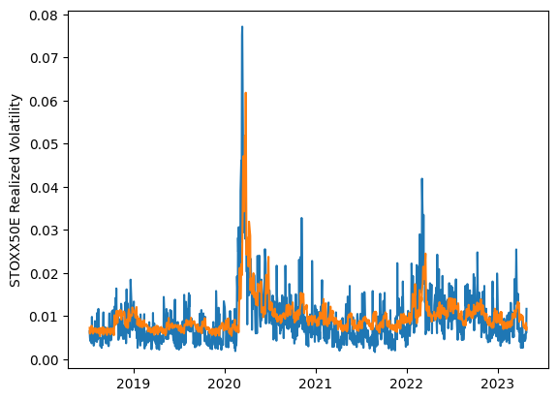
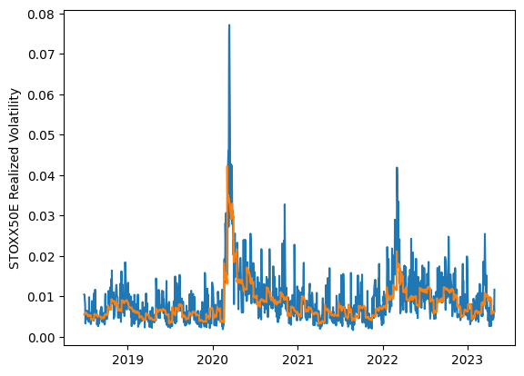
 | LSTM |  |  | TCN |  |  | NBEATSx |  |  |  |  | LSTM |  |  | TCN |  |  | NBEATSx
 | Accuracy | RMSE | Qlike | Accuracy | RMSE | Qlike | Accuracy | RMSE | Qlike |  |  | Accuracy | RMSE | Qlike | Accuracy | RMSE | Qlike | Accuracy | RMSE | Qlike
Trial 1 | 55.44% | 0.338% | 0.128 | 39.75% | 0.394% | 0.193 | 64.14% | 0.294% | 0.091 |  | Mean | 56.14% | 0.336% | 0.126 | 45.96% | 0.367% | 0.167 | 64.56% | 0.293% | 0.091
Trial 2 | 54.24% | 0.346% | 0.133 | 51.73% | 0.344% | 0.146 | 65.04% | 0.294% | 0.094 |  | Standard Deviation | 2.26% | 0.006% | 0.007 | 4.53% | 0.019% | 0.019 | 0.84% | 0.002% | 0.002
Trial 3 | 53.65% | 0.345% | 0.135 | 40.17% | 0.391% | 0.192 | 63.79% | 0.294% | 0.089 |  | 95% CI upper bound | 60.67% | 0.349% | 0.140 | 55.02% | 0.404% | 0.205 | 66.24% | 0.296% | 0.095
Trial 4 | 57.60% | 0.336% | 0.121 | 45.50% | 0.370% | 0.171 | 64.22% | 0.294% | 0.091 |  | 95% CI lower bound | 51.62% | 0.324% | 0.111 | 36.90% | 0.329% | 0.129 | 62.88% | 0.289% | 0.087
Trial 5 | 55.66% | 0.338% | 0.127 | 46.61% | 0.363% | 0.164 | 66.54% | 0.290% | 0.095 |  | 99.7% CI upper bound | 62.93% | 0.355% | 0.148 | 59.55% | 0.423% | 0.224 | 67.08% | 0.298% | 0.098
Trial 6 | 58.35% | 0.327% | 0.118 | 46.50% | 0.367% | 0.164 | 64.64% | 0.294% | 0.093 |  | 99.7% CI lower bound | 49.36% | 0.318% | 0.104 | 32.37% | 0.310% | 0.111 | 62.04% | 0.288% | 0.084
Trial 7 | 55.02% | 0.340% | 0.130 | 50.79% | 0.346% | 0.149 | 65.30% | 0.291% | 0.091
Trial 8 | 55.56% | 0.340% | 0.128 | 50.64% | 0.345% | 0.147 | 65.51% | 0.291% | 0.094
Trial 9 | 53.97% | 0.338% | 0.133 | 38.26% | 0.399% | 0.199 | 63.95% | 0.294% | 0.089
Trial 10 | 56.09% | 0.336% | 0.126 | 52.44% | 0.340% | 0.140 | 64.41% | 0.294% | 0.091
Trial 11 | 57.34% | 0.336% | 0.121 | 45.92% | 0.373% | 0.166 | 64.72% | 0.291% | 0.090
Trial 12 | 58.96% | 0.326% | 0.116 | 41.37% | 0.384% | 0.186 | 63.33% | 0.294% | 0.087
Trial 13 | 61.71% | 0.324% | 0.109 | 48.25% | 0.359% | 0.155 | 64.26% | 0.292% | 0.089
Trial 14 | 53.83% | 0.339% | 0.133 | 43.72% | 0.366% | 0.178 | 65.03% | 0.292% | 0.092
Trial 15 | 54.74% | 0.337% | 0.130 | 47.70% | 0.362% | 0.159 | 63.49% | 0.296% | 0.090

 | LSTM (best trial) |  |  |  |  |  |  |  |  | TCN (best trial) |  |  |  |  |  |  |  |  | NBEATSx (best trial)

